Requirement
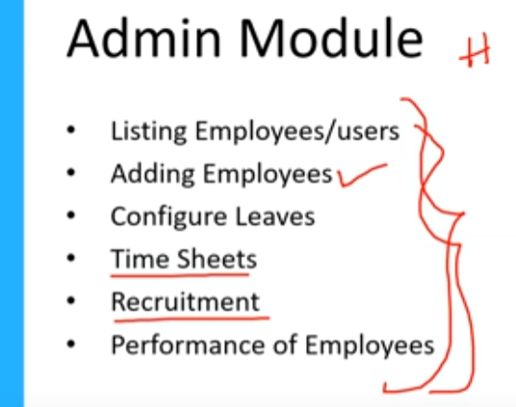 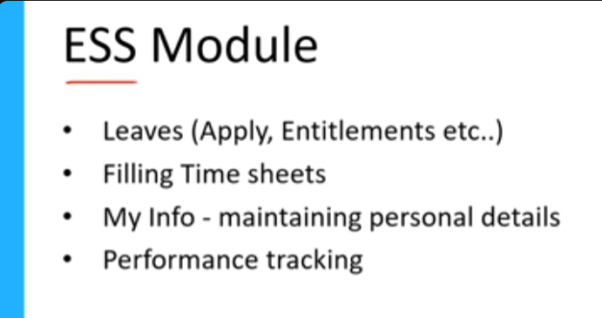

 |  | Reqirement File

HIGH LEVEL MODULE

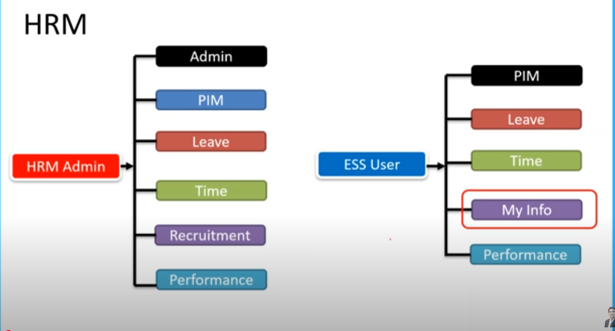

HRM ADMIN - HR | ESS USER - EMPLOYEE

STLC
Understand Req.
Test scenario
Test Planning
Test Cases
Test Execution
Identify defect & report to dev( Defect Report)
Closure

Test Case
TC#ID | Project/ModuleName | Req#ID | Scenario | Test Case Title | Positive/Negative Case | Step | Test Data | Expected Result | Actual Result | Status
TC_MyInfo_001 | Orange HRM-MyInfo | 3.1.1 | ESS user login | Verify login with valid ESS username and password | P | 1)Launch browser 2)Open URL "opensource-demo.orangehrmlive.com" 3)Provide valid ESS username 4)Provide valid ESS password 5)Click Login button | pavan@12345/pavan@12345 | Login successful,User should redirect to UserPage
TC_MyInfo_002 | Orange HRM-MyInfo | 3.1.1 | ESS user login | Verify login with invalid ESS username and valid password | N | 1)Launch browser 2)Open URL "opensource-demo.orangehrmlive.com" 3)Provide valid ESS username 4)Provide valid ESS password 5)Click Login button | AAAA/pavan@12345 | Invalid credentials
TC_MyInfo_003 | Orange HRM-MyInfo | 3.1.1 | ESS user login | Verify login with valid ESS username and invalid password | N | 1)Launch browser 2)Open URL "opensource-demo.orangehrmlive.com" 3)Provide valid ESS username 4)Provide valid ESS password 5)Click Login button | pavan@12345/AAAAAA | Invalid credentials
TC_MyInfo_004 | Orange HRM-MyInfo | 3.1.1 | ESS user login | Verify login with invalid ESS username and password | N | 1)Launch Browser 2)Open URL "opensource-demo.orangehrmlive.com" 3)Provide valid ESS username 4)Provide valid ESS password 5)Click Login button | AAAAAAAA/AAAAAAAA | Invalid credentials
TC_MyInfo_005 | Orange HRM-MyInfo | 3.1.1 | ESS user can view Personal details | Verify ESS user able to view personal details | P | 1)Login to OrangeHRM as ESS user 2)Click On MyInfo tab 3)Click On Personal details button | NA | Should be able to see Personal Information
TC_MyInfo_006 | Orange HRM-MyInfo | 3.1.1 | ESS user can edit Personal details | Verify ESS user can edit some field in personal details | P | 1)Login to OrangeHRM as ESS user 2)Click On MyInfo tab 3)Click On Personal Info Link 4)Click Edit button 5)Edit Name,Other Id, License Expiry Date, Gender, Marital Status, Nationality, Nick Name, Military Service,Smoker | NA | Should be able to edit some field in Personal Information
TC_MyInfo_007 | Orange HRM-MyInfo | 3.1.1 | ESS user can edit Personal details | Verify ESS user cannot leave required field empty | N | 1)Login to OrangeHRM as ESS user 2)Click On MyInfo tab 3)Click On Personal Info Link 4)Click Edit button 5)Edit Name,Other Id, License Expiry Date, Gender, Marital Status, Nationality, Nick Name, Military Service,Smoker | First Name : NULL | Should display an error message "This field is required"
TC_MyInfo_008 | Orange HRM-MyInfo | 3.1.1 | ESS user cannot edit restricted field in Personal details | Verify ESS user cannot edit restricted field in personal details | P | 1)Login to OrangeHRM as ESS user 2)Click On MyInfo tab 3)Click On Personal Info Link 4)Click Edit button | NA | Should be unable to edit the following field: Employee ID Driver's License Number Date Of Birth
TC_MyInfo_009 | Orange HRM-MyInfo | 3.1.2 | ESS user can add photograph | Verify ESS user can add/edit photograph | P | 1)Login to OrangeHRM as ESS user 2)Click On profile's photograph 3)Click Browse and select photograph from revelant path 4)Click Upload | 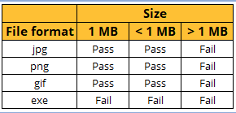 | Should be able to change photograph
TC_MyInfo_010 | Orange HRM-MyInfo | 3.1.2 | ESS user can add photograph | Verify ESS user cannot upload with non support image file/ oversize file | N | 1)Login to OrangeHRM as ESS user 2)Click On profile's photograph 3)Click Browse and select photograph from revelant path 4)Click Upload |  | An error message should display with details(size or/and format).
TC_MyInfo_011 | Orange HRM-MyInfo | 3.1.3 | ESS user can view Contact Details | Verify ESS user can view Contact Details | P | 1)Login to OrangeHRM as ESS user 2)Click On Contact Details 3)Should be able to see Contact Details | NA | Should see Contact details that contains AddrESS Street1, AddrESS Street2, City,State/Province,Zip/Postal Code, Country, Home Telephone, Mobile, Work Telephone,Work Email, Other Email
TC_MyInfo_012 | Orange HRM-MyInfo | 3.1.3 | ESS user can edit Contact Details | Verify ESS user can edit some field in Contact Details | P | 1)Login to OrangeHRM as ESS user 2)Click On Contact Details 3)Click Edit button 4)Change Contact Details values 5)Click On Save Button | City : Bangkok | Contact Details should display updated data on Contact Details
TC_MyInfo_013 | Orange HRM-MyInfo | 3.1.4 | ESS user can add Emergency Contact | Verify ESS user can add Emergency Contact | P | 1)Login to OrangeHRM as ESS user 2)Click On Emergency Contacts 3)Input Data 4)Click On Save button | Name: John Relationship : Father Home Telephone: +123456 Mobile : +69123456 Work telephone : null | Emergency Contact details should display under Assigned Emergency Contact
TC_MyInfo_014 | Orange HRM-MyInfo | 3.1.4 | ESS user can add Emergency Contact | Verify ESS user cannot add Invalid Emergency Contact | N | 1)Login to OrangeHRM as ESS user 2)Click On Emergency Contacts 3)Input Data 4)Click On Save button | Name : Null Relationship: Null Home Telephone: +123456 Mobile : +69123456 Work telephone : null | Should display an error message "This field is required"
TC_MyInfo_015 | Orange HRM-MyInfo | 3.1.4 | ESS user can add multiple Emergency Contact | Verify ESS user can add multiple entries to emergency contact | P | 1)Login to OrangeHRM as ESS user 2)Click On Emergency Contacts 3)Input First Set of Data 4)Click On Save Button 5)Click Add button under Assign Emergency Contacts 6)Input second set of data 7)Click Add Button | Name: John Relationship : Father Home Telephone: +123456 Mobile : +69123456 Work telephone : null Name: Mary Relationship : Sister Home Telephone: +123456 Mobile : +69156489 Work telephone : null | Both of emergency contact details should display under assigned emergency contact as seperate record
TC_MyInfo_016 | Orange HRM-MyInfo | 3.1.4 | ESS user can delete Emergency Contact | Verify ESS user can delete emergency contact | P | 1)Login to OrangeHRM as ESS user 2)Click On Emergency Contacts 3)Select data checkbox 4)Click On delete button under Assign Emergency Contact | Name:John | Selected data should deleted
TC_MyInfo_017 | Orange HRM-MyInfo | 3.1.4 | ESS user can delete Emergency Contact | Veridy ESS user cannot delete emergency contact without select data | N | 1)Login to OrangeHRM as ESS user 2)Click On Emergency Contacts 3)Click On delete button | NA | Should display an error message "please select emergeny contact you want to delete"
TC_MyInfo_018 | Orange HRM-MyInfo | 3.1.5 | ESS user can add dependent | Verify ESS user can add dependent | P | 1)Login to OrangeHRM as ESS user 2)Click on dependents button 3)Enter data into dependents form 4)Click Save button | Name : John Relationship : Parents Please Specific : Father Date of Birth : 1990-08-07 | Should display data under Assign dependents
TC_MyInfo_019 | Orange HRM-MyInfo | 3.1.5 | ESS user can add dependent | Verify ESS user cannot add Invalid dependent | N | 1)Login to OrangeHRM as ESS user 2)Click on dependents button 3)Enter data into dependents form 4)Click Save button | NA | Should display an error message "this field is required"
TC_MyInfo_020 | Orange HRM-MyInfo | 3.1.5 | ESS user can add multiple dependent | Verify ESS user can add multiple entries to dependent | P | 1)Login to OrangeHRM as ESS user 2)Click on dependents button 3)Enter first data into dependents form 4)Click Save button 5)Click Add button under Assigned Dependents 6)Enter second data into dependents form 7)Click Save button | Name : John Relationship : Parents Please Specific : Father Date of Birth : 1990-08-07 Name: Mary Relationship : Sibling Please Specific : Sister Dath of Birth : Null | Should display both of data under Assign Dependent as seperate record
TC_MyInfo_021 | Orange HRM-MyInfo | 3.1.5 | ESS user can delete dependent | Verify ESS user can delete dependent | P | 1)Login to OrangeHRM as ESS user 2)Click on dependents button 3)Select Checkbox of target data 4)Click Delete Button under Assigned Dependents | Name : John | Should not see selected dependent on Assigned Dependents list
TC_MyInfo_022 | Orange HRM-MyInfo | 3.1.5 | ESS user can delete dependent | Verify ESS user can not delete dependent while not selected data | N | 1)Login to OrangeHRM as ESS user 2)Click on dependents button 3)Click Delete Button under Assigned Dependents | NA | Should display an error message "please select dependent you want to delete"
TC_MyInfo_023 | Orange HRM-MyInfo | 3.1.5 | ESS user can add attachment to dependent | Verify ESS user can add attachment to dependent | P | 1)Login to OrangeHRM as ESS user 2)Click on dependents button 3)Click on Add button under attachments 4)Select file 5)Click Upload button | depen-attach1.pdf | should see data under attachments
TC_MyInfo_024 | Orange HRM-MyInfo | 3.1.5 | ESS user can add attachment to dependent | Verify ESS user cannot add Invalid attachment to dependent | N | 1)Login to OrangeHRM as ESS user 2)Click on dependents button 3)Click on Add button under attachments 4)Select file 5)Click Upload button | calculator.exe | Should display an error message "please select valid attachment"
TC_MyInfo_025 | Orange HRM-MyInfo | 3.1.6 | ESS user can add Immigration detail | Verify ESS user can add immigration | P | 1)Login to OrangeHRM as ESS user 2)Click on Immigration button 3)Enter data into immigration form 4)Click Save button | Document: Passport Number : A5745675673 Issue Date : 1998-05-06 Expiry Date : 2030-05-06 | should see data under Assigned Immigration Records
TC_MyInfo_026 | Orange HRM-MyInfo | 3.1.6 | ESS user can add Immigration detail | Verify ESS user cannot add invalid immigration | N | 1)Login to OrangeHRM as ESS user 2)Click on Immigration button 3)Enter data into immigration form 4)Click Save button | Document: Passport Number : NA Issue Date : 1998-05-06 Expiry Date : 2030-05-06 | should display error message "This field is required"
TC_MyInfo_027 | Orange HRM-MyInfo | 3.1.6 | ESS user can add multiple immigration details | Verify ESS user can add multiple entries to immigration | P | 1)Login to OrangeHRM as ESS user 2)Click on Immigration button 3)Enter data into immigration form 4)Click Save button 5)Click on Add Button Under Assigned Immigration Records tab 6)Enter data into immigration form 7)Click Save button | Document: Passport Number : A5745675673 Issue Date : 1998-05-06 Expiry Date : 2030-05-06 Document: Visa Number : A123456789 Issue Date : 1997-03-21 Expiry Date : 2030-03-21 | should see both of input data under Assigned Immigration Records tab as seperate records
TC_MyInfo_028 | Orange HRM-MyInfo | 3.1.6 | ESS user can delete immigration detail | Verify ESS user can delete immigration | P | 1)Login to OrangeHRM as ESS user 2)Click on Immigration button 3)Click on checkbox of target data 4)Click Delete button under Assigned Immigration Records | Number : A5745675673 | Selected data should be deleted
TC_MyInfo_029 | Orange HRM-MyInfo | 3.1.6 | ESS user can delete immigration detail | Verify ESS user cannot delete immigration without select data | N | 1)Login to OrangeHRM as ESS user 2)Click on Immigration button 3)Click Delete button under Assigned Immigration Records | NA | Should display an error message "please select immigration you want to delete"
TC_MyInfo_030 | Orange HRM-MyInfo | 3.1.6 | ESS user can add attachment to immigration record | Verify ESS user can add attachment to immigration record | P | 1)Login to OrangeHRM as ESS user 2)Click on Immigration button 3)Click Add button under Attachments tab 4)Select attachment 5)Click Upload button | immigration-record.pdf | Should see data under attachments
TC_MyInfo_031 | Orange HRM-MyInfo | 3.1.6 | ESS user can not add attachment to immigration record | Verify ESS user cannot add invalid attachment to immigration record | N | 1)Login to OrangeHRM as ESS user 2)Click on Immigration button 3)Click Add button under Attachments tab 4)Select attachment 5)Click Upload button | immigration-record.exe | Should display an error message "Please select valid attachment"
TC_MyInfo_032 | Orange HRM-MyInfo | 3.1.7 | ESS user can not change job detail ( view only ) | Verify ESS user can view job detail | P | 1)Login to OrangeHRM as ESS user 2)Click on Job button | NA | Should display job details that contains field : Job Title, Job Specification, Employment Status, Job Catagory, Joined Date, Sub Unit, Location, Employment Contract Start Date, Employment Contract End Date, Attachments
TC_MyInfo_033 | Orange HRM-MyInfo | 3.1.7 | ESS user can not change job detail ( view only ) | Verify ESS user cannot edit job detail | P | 1)Login to OrangeHRM as ESS user 2)Click on Job button | NA | Textfield should be disabled
TC_MyInfo_034 | Orange HRM-MyInfo | 3.1.8 | ESS user restricted to change Salary Components | Verify ESS user cannot see salary components | P | 1)Login to OrangeHRM as ESS user 2)Click on Job button | NA | Should not be able to access if user is ESS user
TC_MyInfo_035 | Orange HRM-MyInfo | 3.1.9 | ESS user can only see the list of supervisors | Verify ESS user can see the list of thier own supervisors | P | 1)Login to OrangeHRM as ESS user 2)Click on Report to button | NA | Should display list of thier own supervisors
TC_MyInfo_036 | Orange HRM-MyInfo | 3.1.9 | ESS user can only see the list of supervisors | Verify ESS user can see the list of thier own subordinates | P | 1)Login to OrangeHRM as ESS user 2)Click on Report to button | NA | Should display list of thier own subordinates
TC_MyInfo_037 | Orange HRM-MyInfo | 3.1.10 | ESS user can add work experience | Verify ESS user can add work experience | P | 1)Login to OrangeHRM as ESS user 2)Click on Qualification button 3)Click Add button under Work Experience 4)Input test data 5)Click Save button | Company : Microsoft Jobtitle : QE From : 2000-01-01 To : 2008-04-01 Comment : Null | Should display data under Work Experience
TC_MyInfo_038 | Orange HRM-MyInfo | 3.1.10 | ESS user can add work experience | Verify ESS user cannot add invalid work experience | N | 1)Login to OrangeHRM as ESS user 2)Click on Qualification button 3)Click Add button under Work Experience 4)Input test data 5)Click Save button | Company : Null | Should display an error message "this field is required"
TC_MyInfo_039 | Orange HRM-MyInfo | 3.1.10 | ESS user can add multiple work experience | Verify ESS user can add multiple entries to work experience | P | 1)Login to OrangeHRM as ESS user 2)Click on Qualification button 3)Click Add button under Work Experience 4)Input first test data 5)Click Save button 6)Click Add button under Work Experience 7)Input second test data 8)Click Save button | Company : Microsoft Jobtitle : QE From : 2000-01-01 To : 2008-04-01 Comment : Null Company : Google Jobtitle : QE From : 2008-05-01 To : 2015-01-01 Comment : Null | Should display both data under Work Experience as seperate records
TC_MyInfo_040 | Orange HRM-MyInfo | 3.1.10 | ESS user can delete work experience | Verify ESS user can delete work experience | P | 1)Login to OrangeHRM as ESS user 2)Click on Qualification button 3)Select checkbox of target data 4)Click Delete button | Company : Microsoft | Should remove data from Work Experience
TC_MyInfo_041 | Orange HRM-MyInfo | 3.1.10 | ESS user can delete work experience | Verify ESS user cannot delete work experience without select data | N | 1)Login to OrangeHRM as ESS user 2)Click on Qualification button 3)Click Delete button | NA | Should display an error message "please select work experience you want to delete"
TC_MyInfo_042 | Orange HRM-MyInfo | 3.1.10 | ESS user can add education | Verify ESS user can add education | P | 1)Login to OrangeHRM as ESS user 2)Click on Qualification button 3)Click Add button under Education 4)Input data 5)Click Save button | Level : Bachelor's Degree Institute : MIT Major/Specialization : IT Forensics Year : 2002 GPA/Score : 3.5 Start Date : 1998-04-01 End Date : 2002-04-27 | Should display data under Education
TC_MyInfo_043 | Orange HRM-MyInfo | 3.1.10 | ESS user can add education | ESS user cannot add invalid education | N | 1)Login to OrangeHRM as ESS user 2)Click on Qualification button 3)Click Add button under Education 4)Input data 5)Click Save button | Level : NA Institute : MIT Major/Specialization : IT Forensics Year : 2002 GPA/Score : 3.5 Start Date : 1998-04-01 End Date : 2002-04-27 | Should display an error mesasge "Please select education level"
TC_MyInfo_044 | Orange HRM-MyInfo | 3.1.10 | ESS user can add multiple education | Verify ESS user can add multiple entries to education | P | 1)Login to OrangeHRM as ESS user 2)Click on Qualification button 3)Click Add button under Education 4)Input fist set of data 5)Click Save button 6)Click Add button under Education 7)Input second set of data 8)Click Save button | Level : Bachelor's Degree Institute : MIT Major/Specialization : IT Forensics Year : 2002 GPA/Score : 3.5 Start Date : 1998-04-01 End Date : 2002-04-27 Level : Master's Degree Institurte : MIT Major/Specialization : IT Forensics GPA/Score : 3.6 Year : 2008 Start Date : 2008-04-01 End Date : 2010-04-01 | Should display both data under Education as seperate record
TC_MyInfo_045 | Orange HRM-MyInfo | 3.1.10 | ESS user can delete education | Verify ESS user can delete education | P | 1)Login to OrangeHRM as ESS user 2)Click on Qualification button 3)Select checkbox of data that user want to delete 4)Click Delete button under Education | Level : Bachelor's Degree Year : 2002 | Should remove data from Education
TC_MyInfo_046 | Orange HRM-MyInfo | 3.1.10 | ESS user can delete education | Verify ESS user cannot delete education without select record | N | 1)Login to OrangeHRM as ESS user 2)Click on Qualification button 3)Click Delete button under Education | NA | Should display an error message "Please select education to delete"
TC_MyInfo_047 | Orange HRM-MyInfo | 3.1.10 | ESS user can add skill | Veridy ESS user can add skill | P | 1)Login to OrangeHRM as ESS user 2)Click on Qualification button 3)Click Add button under Skills 4)Input data 5)Click Save button | Skill : SQL Year of Experience : 5 Comment : Null | Input data should be listed under Skills
TC_MyInfo_048 | Orange HRM-MyInfo | 3.1.10 | ESS user can add skill | Veridy ESS user cannot add invalid skill | N | 1)Login to OrangeHRM as ESS user 2)Click on Qualification button 3)Click Add button under Skills 4)Input data 5)Click Save button | NA | Should display an error mesasge "This field is required"
TC_MyInfo_049 | Orange HRM-MyInfo | 3.1.10 | ESS user can add multiple skills | Verify ESS user can add multiple skill | P | 1)Login to OrangeHRM as ESS user 2)Click on Qualification button 3)Click Add button under Skills 4)Input first data 5)Click Save button 6)Click Add button under Skills 7)Input second data 8)Click Save button | Skill : SQL Year of Experience : 5 Comment : Null Skill : Robot Framework Year of Experience : 2 Comment : Selenium,Appium | both data should be listed under Skills as seperate records
TC_MyInfo_050 | Orange HRM-MyInfo | 3.1.10 | ESS user can delete skill | Verify ESS user can delete skill | P | 1)Login to OrangeHRM as ESS user 2)Click on Qualification button 3)Select checkbox under Skills list 4)Click Delete button under Skills | Skill : SQL | Selected data should be deleted
TC_MyInfo_051 | Orange HRM-MyInfo | 3.1.10 | ESS user can delete skill | Verify ESS user cannot delete skill without select skill first | N | 1)Login to OrangeHRM as ESS user 2)Click on Qualification button 3)Click Delete button under Skills | NA | Should display an error mesasge "Please select skill you want to delete"
TC_MyInfo_052 | Orange HRM-MyInfo | 3.1.10 | ESS user can add language | Verify ESS user can add language | P | 1)Login to OrangeHRM as ESS user 2)Click on Qualification button 3)Click Add button under Languages 4)Input data 5)Click Save button | Language : Thai Fluency : Native Competency : Mother Tongue Comment : Null | Input data should be listed under Language
TC_MyInfo_053 | Orange HRM-MyInfo | 3.1.10 | ESS user can add language | Verify ESS user cannot add invalid language | N | 1)Login to OrangeHRM as ESS user 2)Click on Qualification button 3)Click Add button under Languages 4)Input data 5)Click Save button | NA | Should display an error message "This field is required" under required field that is empty
TC_MyInfo_054 | Orange HRM-MyInfo | 3.1.10 | ESS user can add language | Verify ESS user can add multiple language | P | 1)Login to OrangeHRM as ESS user 2)Click on Qualification button 3)Click Add button under Language 4)Input first data 5)Click Save button 6)Click Add button under Languages 7)Input second data 8)Click Save button | Language : Thai Fluency : Native Competency : Mother Tongue Comment : Null Language: English Fluency : Speaking Competency : Advanced Comment : Level C2 | Should display both data under Language as seperate record
TC_MyInfo_055 | Orange HRM-MyInfo | 3.1.10 | ESS user can delete language | Verify ESS user can delete language | P | 1)Login to OrangeHRM as ESS user 2)Click on Qualification button 3)Select checkbox of target data under Languages 4)Click Delete button under Languages | Language : Englsih | Should remove data from Languages
TC_MyInfo_056 | Orange HRM-MyInfo | 3.1.10 | ESS user can delete language | Verify ESS user cannot delete language without select language first | N | 1)Login to OrangeHRM as ESS user 2)Click on Qualification button 3)Click Delete button under Languages | NA | Should display an error mesasge "Please select languages you want to delete"
TC_MyInfo_057 | Orange HRM-MyInfo | 3.1.10 | ESS user can add license | Verify ESS user can add license | P | 1)Login to OrangeHRM as ESS user 2)Click on Qualification button 3)Click Add under License 4)Input data 5)Click Save button | License Type : CMA License Number : 78654321345678 Issued Date : 2011-04-13 Expiry Date : 2016-04-07 | Input data should be listed under License
TC_MyInfo_058 | Orange HRM-MyInfo | 3.1.10 | ESS user can add license | Verify ESS user cannot add invalid license | N | 1)Login to OrangeHRM as ESS user 2)Click on Qualification button 3)Click Add under License 4)Input data 5)Click Save button | License Type : Null | Should display an error message "Plase select license type"
TC_MyInfo_059 | Orange HRM-MyInfo | 3.1.10 | ESS user can add multiple licenses | Verify ESS user can add multiple entries to licenses | P | 1)Login to OrangeHRM as ESS user 2)Click on Qualification button 3)Click Add under License 4)Input first data 5)Click Save button 6)Click Add under License 7)Input second data 8)Click Save button | License Type : CMA License Number : 78654321345678 Issued Date : 2011-04-13 Expiry Date : 2016-04-07 License Type : Driver License Number : 9876543210 Issued Date : 2010-05-11 Expiry Date : 2015-05-01 | Should display both data under License as seperate record
TC_MyInfo_060 | Orange HRM-MyInfo | 3.1.10 | ESS user can delete license | Verify ESS user can delete license | P | 1)Login to OrangeHRM as ESS user 2)Click on Qualification button 3)Select checkbox of target data under License 4)Click Delete button under license | License Type : CMA | Selected license should be removed from the list
TC_MyInfo_061 | Orange HRM-MyInfo | 3.1.10 | ESS user can delete license | Verify ESS user cannot delete license without select license first | N | 1)Login to OrangeHRM as ESS user 2)Click on Qualification button 3)Click Delete button under license | NA | Should display an error mesasge "Please select license you want to delete"
TC_MyInfo_062 | Orange HRM-MyInfo | 3.1.10 | ESS user can upload attachment to qualification | Verify ESS user can upload attachment to qualification | P | 1)Login to OrangeHRM as ESS user 2)Click on Qualification button 3)Click Add button under attachment 4)Input data to Add Attachment Form 5)Click Upload button | File : Certs.pdf Comment : Null, File : MyCerts.pdf Comment : driver license | Input data should be listed under Attachments
TC_MyInfo_063 | Orange HRM-MyInfo | 3.1.10 | ESS user can upload attachment to qualification | Verify ESS user cannot upload invalid attachment to qualification | N | 1)Login to OrangeHRM as ESS user 2)Click on Qualification button 3)Click Add button under attachment 4)Input data to Add Attachment Form 5)Click Upload button | File : Null Comment : Null, File : Null Comment : This is my qualification | Should display an error message "Please select file"
TC_MyInfo_064 | Orange HRM-MyInfo | 3.1.10 | ESS user can upload multiple attachments to qualification | Verify ESS user can upload multiple attachments to qualification | P | 1)Login to OrangeHRM as ESS user 2)Click on Qualification button 3)Click Add button under attachment 4)Input first data to Add Attachment form 5)Click Upload button 6)Click Add button under attachment 7)Input second data to Add Attachment form 8)Click Upload button | File : Certs.pdf Comment : Null, File : MyCerts.pdf Comment : driver license | Both attachments should be list under Attachment as seperate record
TC_MyInfo_065 | Orange HRM-MyInfo | 3.1.10 | ESS user can delete attachment from qualification | Verify ESS user can delete attachment from qualification | P | 1)Login to OrangeHRM as ESS user 2)Click on Qualification button 3)Select checkbox under Attachments 4)Click Delete button under Attchments | File Name : Certs.docx | Selected attachment should be deleted
TC_MyInfo_066 | Orange HRM-MyInfo | 3.1.10 | ESS user can delete attachment from qualification | Verify ESS user cannot delete attachment from qualification without select any entry from Attachments | N | 1)Login to OrangeHRM as ESS user 2)Click on Qualification button 3)Click Delete button under Attchments | NA | Should display an error message "please select attachment you want to delete"
TC_MyInfo_067 | Orange HRM-MyInfo | 3.1.11 | ESS user can add membership | Verify ESS user can add membership | P | 1)Login to OrangeHRM as ESS user 2)Click on My Info 3)Click on Personal 4)Click on Membership 5)Click Add button 6)Input Data 7)Click Save button | Membership : AFP Subscription Paid By : Company Subscription Amount : 5500 Currency : United States Dollar Suibscription Commence Date : 2009-01-06 Subscription Renewal Date : 2013-01-06 | Input data should be listed under Assigned Memberships
TC_MyInfo_068 | Orange HRM-MyInfo | 3.1.11 | ESS user can add membership | Verify ESS user cannot add invalid membership | N | 1)Login to OrangeHRM as ESS user 2)Click on My Info 3)Click on Personal 4)Click on Membership 5)Click Add button 6)Input Data 7)Click Save button | NA | Should display an error mesasge "Please select membership type"
TC_MyInfo_069 | Orange HRM-MyInfo | 3.1.11 | ESS user can add multiple memberships | Verify ESS user can add multiple entries to membership | P | 1)Login to OrangeHRM as ESS user 2)Click on My Info 3)Click on Personal 4)Click on Membership 5)Click Add button 6)Input first data 7)Click Save button 8)Click Add button 9)Input second data 10)Click Save button | Membership : AFP Subscription Paid By : Company Subscription Amount : 5500 Currency : United States Dollar Suibscription Commence Date : 2009-01-06 Subscription Renewal Date : 2013-01-06 ,Membership : Gym | Should display both data under Assigned Memberships as seperate record
TC_MyInfo_070 | Orange HRM-MyInfo | 3.1.11 | ESS user can delete memberships | Verify ESS user can delete memberships from Assigned Memberships | P | 1)Login to OrangeHRM as ESS user 2)Click on My Info 3)Click on Personal 4)Click on Membership 5)Select checkbox under Assigined Membership 6)Click Delete button | Membership : AFP | Selected membership should be deleted
TC_MyInfo_071 | Orange HRM-MyInfo | 3.1.11 | ESS user can delete memberships | Verify ESS user cannot delete memberships from Assigned Memberships without select any entry from Assigned Memberships | N | 1)Login to OrangeHRM as ESS user 2)Click on My Info 3)Click on Personal 4)Click on Membership 5)Click Delete button | NA | Should display an error mesasge "Please select membership"
TC_MyInfo_072 | Orange HRM-MyInfo | 3.1.11 | ESS user can add attachment under memberships | Verify ESS user can add attachment under memberships | P | 1)Login to OrangeHRM as ESS user 2)Click on My Info 3)Click on Personal 4)Click on Membership 5)Click Add button under Attachment 6)Select File 7)Click Upload button | File : Membership.pdf | Input data should be listed under attachments
TC_MyInfo_073 | Orange HRM-MyInfo | 3.1.11 | ESS user can add attachment under memberships | Verify ESS user cannot add invalid attachment under memberships | N | 1)Login to OrangeHRM as ESS user 2)Click on My Info 3)Click on Personal 4)Click on Membership 5)Click Add button under Attachment 6)Select File 7)Click Upload button | File: Membership.exe File : NA | Should display one of error mesasges "Please select attachment", "Please select valid attachment"

